summary
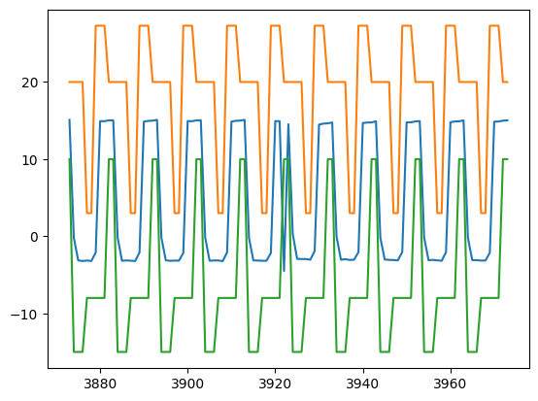
SignalDetect | Glitches Detected | RowDetected
DUT1_Gate_B_Signal | Yes | [393, 394]

